stair
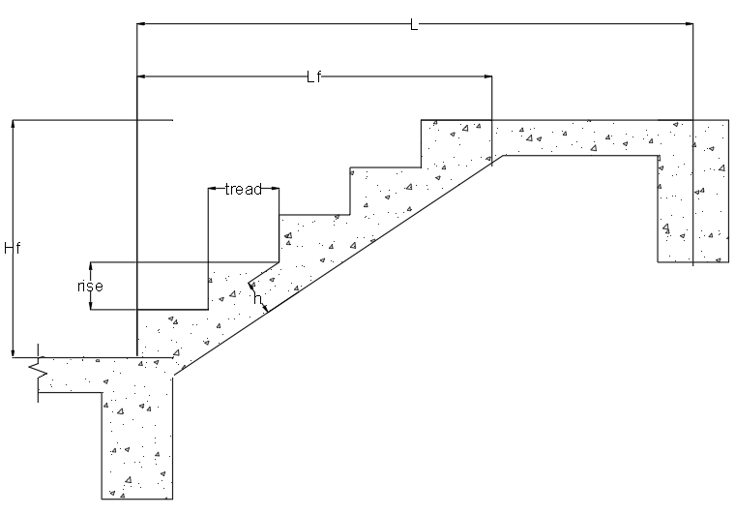
STAIRCASE DESIGN
STAIR 1

 |  |  |  |  |  |  | V. LOAD COMBINATION
 |  |  |  |  |  |  | LRFD load combinations
 |  |  |  |  |  |  | Wu=1.4D | = | 19.872 | KN/m
 |  |  |  |  |  |  | Wu=1.2D+1.6L | = | 20.073 | KN/m
 |  |  |  |  |  |  | Governing Load Combination
 |  |  |  |  |  |  | Wu=1.2D+1.6L | = | 20.073 | KN/m

 |  |  |  |  |  |  | VI. DESIGN OF SPACING
 |  |  |  |  |  |  | β = 0.85-[0.05(f'c-28)/7] | = | 0.85
 |  |  |  |  |  |  | φ | = | 0.9
 |  |  |  |  |  |  | ρmin = 1.4/fy | = | 0.00507
 |  |  |  |  |  |  | ρmax = 0.85f'cβ(3/8)/fy | = | 0.02032

 |  |  |  |  |  |  | AT MIDSPAN
Hf | = | 1600 | mm |  |  |  | Mu=WuL^2/14 | = | 8.961
L | = | 2500 | mm |  |  |  | Rn=Mu/φbd^2 | = | 1.818 | KNm
Lland | = | 900 | mm |  |  |  | ρ = (0.85f'c/fy){1-[1-((2Rn)/(0.85f'c))^(1/2)]} | = | 0.00697 |  | therefore, use ρ = | 0.0069688090931
Lf | = | 1600 | mm
 |  |  |  |  |  |  | Main bars
I. MATERIAL PROPERTIES |  |  |  |  |  |  | As = ρbd | = | 515.692 | mm^2
γconcrete | = | 24 | KN/m^3 |  |  |  | S=3h | = | 300 | mm
f'c | = | 20.7 | MPa |  |  |  | S=450 | = | 450 | mm
fy | = | 276 | MPa |  |  |  | S=Abar(1000)/As | = | 219.312 | mm | therefore, use S = | 215 | mm

II. SECTION PROPERTIES |  |  |  |  |  |  | Temperature bars
Clear cover | = | 20 | mm |  |  |  | As=0.002bh | = | 200 | mm^2
Main bar diameter | = | 12 | mm |  |  |  | S=5h | = | 500 | mm
Temperature bar diameter | = | 10 | mm |  |  |  | S=450 | = | 450 | mm
 |  |  |  |  |  |  | S=Abar(1000)/As | = | 392.699 | mm | therefore, use S = | 390 | mm
III. DESIGN OF DIMENSION
FLIGHT DIMENSION |  |  |  |  |  |  | AT SUPPORT
Width | = | 1000 | mm |  |  |  | Mu=WuL^2/10 | = | 12.546 | KNm
Steps | = | 10 | steps |  |  |  | Rn=Mu/φbd^2 | = | 2.546 | KN
Riser | = | 160 | mm |  |  |  | ρ = (0.85f'c/fy){1-[1-((2Rn)/(0.85f'c))^(1/2)]} | = | 0.01001 |  | therefore, use ρ = | 0.010008767253
Tread | = | 160 | mm | SAFE! |  |  |  | =
Landing | = | 900 | mm | UNSAFE! |  |  | Main bars
 |  |  |  |  |  |  | As = ρbd | = | 740.649 | mm^2
SLAB DIMENSION |  |  |  |  |  |  | S=3h | = | 300 | mm
fy factor = 0.4+(fy/700) if fy<415 otherwise, use 1 | = | 0.794 |  |  |  |  | S=450 | = | 450 | mm
h=(L/20)(fy factor) | = | 99.286 | mm | say, h = | 100 | mm | S=Abar(1000)/As | = | 152.700 | mm | therefore, use S = | 150 | mm
d | = | 74 | mm |  |  |  |  | =
 |  |  |  |  |  |  | Temperature bars
VOLUME |  |  |  |  |  |  | As=0.002bh | = | 200 | mm^2
Step volume | = | 0.128 | m^3 |  |  |  | S=5h | = | 500 | mm
Landing volume | = | 0.09 | m^3 |  |  |  | S=450 | = | 450 | mm
Slab volume | = | 0.226 | m^3 |  |  |  | S=Abar(1000)/As | = | 392.699 | mm | therefore, use S = | 390 | mm

IV. LOADINGS |  |  |  |  |  |  | VI. DESIGN RESULTS
Dead Load |  |  |  |  |  |  | Steps | = | 10 | steps
Weight of steps | = | 1.92 | kPa |  |  |  | Riser | = | 160 | mm
Weight of slab | = | 3.39 | kPa |  |  |  | Tread | = | 160 | mm
Weight of landing | = | 2.4 | KN |  |  |  | Slab thickness | = | 100 | mm
Floor fills and finishes | = | 3.24 | kPa |  |  |  | Support | =
Ceilings, roof and wall covering | = | 3.24 | kPa |  |  |  | Main bars | = | 150 | mm OC
 |  |  |  |  |  |  | Temperature bars | = | 390 | mm OC
Live Load |  |  |  |  |  |  | Midspan | =
Floor live load | = | 1.9 | kPa |  |  |  | Main bars | = | 215 | mm OC
 |  |  |  |  |  |  | Temperature bars | = | 390 | mm OC

 |  |  |  |  |  |  | TAKE OFF (DO NOT PRINT)
 |  |  |  |  |  |  | Volume of staircase | = | 0.44427416998 | m^3
 |  |  |  |  |  |  | Weight of staircase | = | 54.02 | KN

 |  |  |  |  |  |  | EQUIVALENT UNIFORM LOAD
 |  |  |  |  |  |  | Wstair along length | = | 21.608278511 | KN/m
 |  |  |  |  |  |  | Wstair along width | = | 54.020696277 | KN/m

